Cover


 | NEWMONT Corporation

Valuation Date: | 2026-03-29 | Scenario Switchboard
Company Name: | Newmont corporation
Sector: | Materials | Revenue & Operating Expenses
Industry: | Metals and mining | Gold Price | 2
Rating: | SELL | Cost of Sales | 2

Current Price | $101.00
Valuation Price | $92.81
12-month Valuation Price | $98.26
Valuation Appreciation | -8.11%
12-mo Valuation Appreciation | -2.71% | Scenario Key
Dividend Yield | 1.00% | Bull | 1
Total Valuation Appreciation | -1.71% | Base | 2
 |  | Bear | 3

Revenue
Revenue by Metal ($M)
Millions |  |  | Revenue Generated(volume sold*metal price)
Revenue | 2020 | 2021 | 2022 | 2023 | 2024 | 2025A | 2026E | 2027E | 2028E | 2029E | 2030E
Gold | 10350 | 10543 | 10416 | 10593 | 15746 | 19304 | 22310 | 25518 | 26120 | 27331 | 28684
Silver | 510 | 651 | 549 | 335 | 792 | 1080 | 2464 | 2100 | 2130 | 2213 | 2234
Copper | 155 | 295 | 316 | 575 | 1327 | 1438 | 1256 | 1894 | 1964 | 2138 | 2194
Zinc | 348 | 561 | 501 | 213 | 622 | 664 | 544 | 770 | 781 | 793 | 804
Lead | 134 | 172 | 133 | 96 | 195 | 183 | 205 | 257 | 261 | 263 | 265
Total | 11497 | 12222 | 11915 | 11812 | 18682 | 22669 | 26779 | 30540 | 31256 | 32738 | 34181

Thousands |  |  |  | Volume of metals sold
Volume | 2020 | 2021 | 2022 | 2023 | 2024 | 2025A | 2026E | 2027E | 2028E | 2029E | 2030E
Gold | 5831 | 5897 | 5812 | 5420 | 6540 | 5519.00 | 4850 | 5392.7166667 | 5375.5431667 | 5360.1475117 | 5346.5345135 | Kept sold quantity constant as production is constant as historicals.
Silver | 28.60 | 32.24 | 29.74 | 17.00 | 33.00 | 28.00 | 32 | 28 | 28 | 28 | 28 | See Table below
Copper | 56 | 69 | 85 | 155 | 332 | 294.00 | 225.00 | 302.67 | 302.67 | 302.67 | 302.67 | See Table below
Zinc | 407 | 433 | 373 | 222 | 545 | 542.00 | 485.00 | 578.67 | 578.67 | 578.67 | 578.67 | See Table below
Lead | 185 | 173 | 147 | 107 | 213 | 216.00 | 198.00 | 209.33 | 209.33 | 209.33 | 209.33 | See Table below

 |  |  |  | Price of metals
Price | 2020 | 2021 | 2022 | 2023 | 2024 | 2025A | 2026E | 2027E | 2028E | 2029E | 2030E
Gold ($/oz) | 1775.0 | 1787.9 | 1792.2 | 1954.4 | 2407.6 | 3497.7 | 4600 | 4732 | 4859 | 5099 | 5365 | all Prices from following table consisting multiple reports and projections
Silver ($/oz) | 17.8 | 20.2 | 18.5 | 19.7 | 24.0 | 38.6 | 77 | 75 | 76.06 | 79.049 | 79.78
Copper ($/lb) | 2.77 | 4.28 | 3.72 | 3.71 | 4.00 | 4.89 | 5.58 | 6.258 | 6.49 | 7.0625 | 7.249
Zinc ($/lb) | 0.9 | 1.3 | 1.3 | 1.0 | 1.1 | 1.2 | 1.122 | 1.33 | 1.35 | 1.37 | 1.39
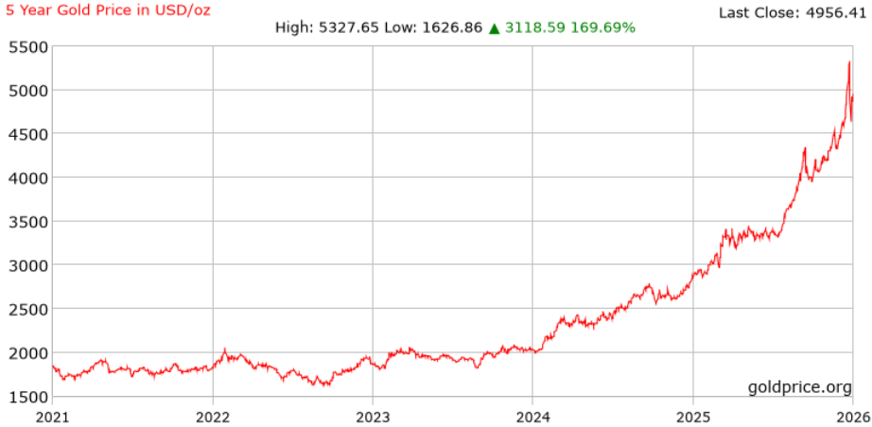
Lead ($/lb) | 0.7 | 1.0 | 0.9 | 0.9 | 0.9 | 0.8 | 1.037 | 1.23 | 1.245 | 1.255 | 1.265

 |  |  |  |  |  |  | 4800 | 4932 | 5059 | 5299 | 5565 | bull
 |  |  |  |  |  |  | 4600 | 4732 | 4859 | 5099 | 5365 | base | https://www.wsj.com/market-data/quotes/futures/GC00/contracts
 |  |  |  |  |  |  | 4400 | 4532 | 4659 | 4899 | 5165 | bear
Avg Prices
The below table is for referal only
Metal (Unit) | 2020 | 2021 | 2022 | 2023 | 2024 | 2025A | 2026E | 2027E | 2028E | 2029E | 2030E
Gold ($/oz) | 1,770 | 1,799 | 1,800 | 1,941 | 2,386 | 4,400 | 6,300 | 6,000 | 5,750 | 5,500 | 5,350 | https://www.thestreet.com/investing/j-p-morgan-revises-gold-price-target-for-2026?utm_source=chatgpt.com
Silver ($/oz) | 20.58 | 25.23 | 21.88 | 23.54 | 27.7 | 65 | 75 | 70 | 68 | 66 | 65 | https://www.reuters.com/world/africa/jp-morgan-sees-gold-6300-an-ounce-by-year-end-robust-centralbank-investor-demand-2026-02-02/?utm_source=chatgpt.com
Copper ($/lb) | 2.8 | 4.24 | 4.01 | 3.86 | 4.2 | 4.5 | 5.44 | 5.44 | 5 | 4.9 | 5 | https://www.jpmorgan.com/insights/global-research/commodities/copper-outlook
Lead ($/lb) | 0.91 | 1.13 | 1.17 | 1.14 | 1.1 | 1.2 | 1.22 | 1.24 | 1.25 | 1.26 | 1.27 | More stable, industrial metals with less speculative demand than precious metals — modest annual increases are assumed.
Zinc ($/lb) | 1.03 | 1.36 | 1.58 | 1.2 | 1.26 | 1.3 | 1.32 | 1.34 | 1.36 | 1.38 | 1.4 | More stable, industrial metals with less speculative demand than precious metals — modest annual increases are assumed.

 |  | millions
Silver | penasquito
Ounces Sold | 2020 | 2021 | 2022 | 2023 | 2024 | 2025A | 2026E | 2027E | 2028E | 2029E | 2030E
 | 28 | 32 | 30 | 17 | 33 | 28 | 32 | 28 | 28 | 28 | 28

Copper |  | millions
Ounces Sold | 2020 | 2021 | 2022 | 2023 | 2024 | 2025E | 2026E | 2027E | 2028E | 2029E | 2030E
Red Chris |  |  |  | 7 | 57
Boddington |  |  |  | 98 | 83
Cadia |  |  |  | 45 | 186
Tefler |  |  |  | 5 | 6
Total | 56 | 69 | 85 | 155 | 332 | 303 | 225 | 303 | 303 | 303 | 303

Zinc | penasquito
Ounces Sold | 2020 | 2021 | 2022 | 2023 | 2024 | 2025E | 2026E | 2027E | 2028E | 2029E | 2030E
 | 407 | 433 | 373 | 222 | 545 | 579 | 485 | 579 | 579 | 579 | 579

Lead | penasquito
Ounces Sold | 2020 | 2021 | 2022 | 2023 | 2024 | 2025E | 2026E | 2027E | 2028E | 2029E | 2030E
 | 185 | 173 | 147 | 107 | 213 | 209 | 198 | 209 | 209 | 209 | 209

